Dictionary
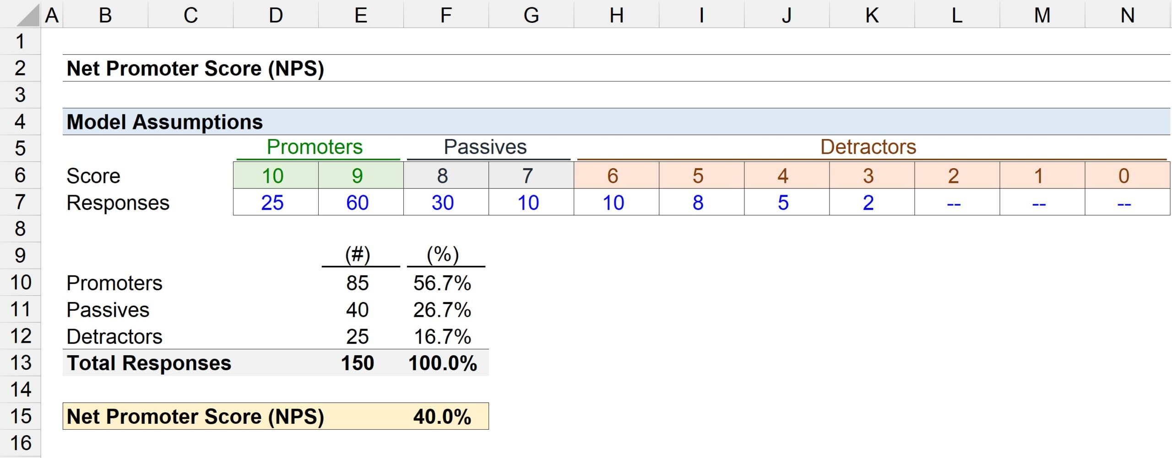
Term | Description | Explanation | Formula
CSAT | Customer Satisfaction Score | Always ranges between 1 - 7, 1 being lowest and 7 being highest
NPS | Net Promoter Score | A parament to show if the customer will recommend your product/service to someone else | NPS Score = (% of Promoters - % of Detractors)
SLA | Service Level Agreement | It signifies if the call was expected level of service was below, within or above the standards | Above SLA = Good, Within SLA = OK, Below SLA = Bad
Seasonality | Trend over months | It shows the month over month variation for a parameter
Day of Week Pattern | Trend over days in a week | It shows the variation for a parameter over different days of the week
Channel | Source of the Query | It states the source through which a customer query is generated (Call, email etc..)
Reason | Issues of the Customer | It is the specific issues for which a customer has raised their query in the call center

Qeury Duration (Mins) | Call Category
> 20 | Long
10 - 20 | Standard
< 10 | Short

